Mean Variance Portfolio Theory1
MVP Theory 1
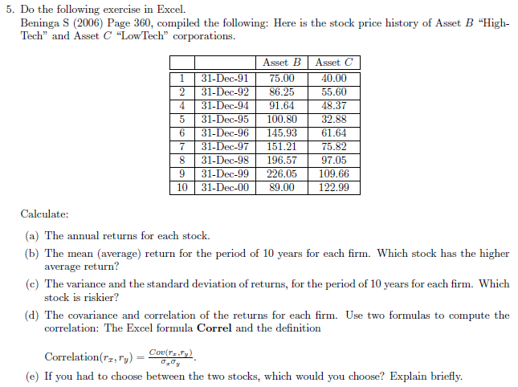
 |  | ASSET B |  | ASSET C
# | Date | Price | (5a) Annual Returns | Price | (5a) Annual Returns
1 | 31-Dec-91 | 75.00 | - | 40.00 | -
2 | 31-Dec-92 | 86.25 | 15.00% | 55.60 | 39.00%
4 | 31-Dec-94 | 91.64 | 6.25% | 48.37 | -13.00%
5 | 31-Dec-95 | 100.80 | 10.00% | 32.88 | -32.02%
6 | 31-Dec-96 | 145.93 | 44.77% | 61.64 | 87.47%
7 | 31-Dec-97 | 151.21 | 3.62% | 75.82 | 23.00%
8 | 31-Dec-98 | 196.57 | 30.00% | 97.05 | 28.00%
9 | 31-Dec-99 | 226.05 | 15.00% | 109.66 | 12.99%
10 | 31-Dec-00 | 89.00 | -60.63% | 122.99 | 12.16%
 |  | (5b) | 8.00% | (5b) | 19.70% | mean return
 |  | (5c) | 8.34% | (5c) | 11.11% | variance
 |  |  | 28.87% |  | 33.34% | std

(5d) | 0.41812353516 | correlation
 | 0.040250989308 | covariance
(5e) | I would choose asset C since it has a higher expected return and a lower volatlity annulized over 10 years

Mean Variance Portfolio Theory2
MVP Theory 2
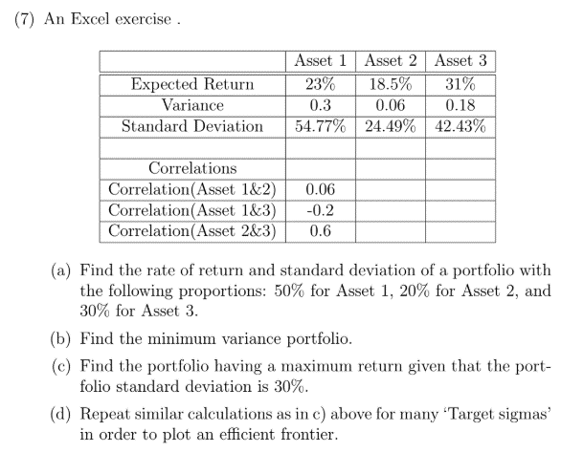

 |  | Asset |  |  |  |  | Correlation
 |  | 1 | 2 | 3 |  | Assets 1 & 2 | 0.06
Exepected Return |  | 0.230 | 0.185 | 0.310 |  | Assets 1 & 3 | -0.2
Variance |  | 0.300 | 0.060 | 0.180 |  | Assets 2 & 3 | 0.6
Standard Deviation |  | 0.548 | 0.245 | 0.424

Covariance Mat |  | 1 | 2 | 3
 |  | 0.3 | 0.008049844719 | -0.046475800154 | 1
 |  | 0.008049844719 | 0.06 | 0.062353829072 | 2
 |  | -0.046475800154 | 0.062353829072 | 0.18 | 3

(a)

 |  | 1 | 2 | 3 |  | SUM
Weights |  | 0.5 | 0.2 | 0.3 |  | 1 | ...Weights fixed in this question

E(Return) |  | 0.245
Portfolio Variance |  | 0.088749688386
Portfolio Std Dev |  | 0.29790885919

(b)

 | 1 | 2 | 3 |  | SUM
weights | 0.161 | 0.780 | 0.059 |  | 1.0000000009
 |  |  |  |  | *use this sum to 1 as a constraint when using Solver
var | 0.0518 |  |  | …use solver |  | *Using Solver we set the value of variance to min, by changing cells B27 - D27 subject to the sum = 1
std | 0.2276

( c )

 | 1 | 2 | 3 |  | SUM
weights | 0.320 | 0.031 | 0.649 |  | 1

variance | 0.090000001787 |  |  | *Using solver we set the E(return) to max by changing cells B32 - D32 Subject now to 2 contraints. 1. The weights summ = 1 and 2. std dev = 0.3
std dev | 0.30000000298
E(return) | 0.28056913876

(d)

 | weights
 | 1 | 2 | 3 | sum | sigma | E(Return)
 | 0.188 | 0.652 | 0.160 | 1 | 0.23 | 0.21343280184
 | 0.223 | 0.488 | 0.289 | 1 | 0.24 | 0.23118589445
 | 0.245 | 0.383 | 0.372 | 1 | 0.25 | 0.24247526401
 | 0.161 | 0.780 | 0.059 | 0.99999999912 | 0.2600 | 0.2517
 | 0.161 | 0.780 | 0.059 | 0.99999999912 | 0.2700 | 0.2598
 | 0.161 | 0.780 | 0.059 | 0.99999999912 | 0.2800 | 0.2672
 | 0.161 | 0.780 | 0.059 | 0.99999999912 | 0.2900 | 0.2741
 | 0.161 | 0.780 | 0.059 | 0.99999999912 | 0.3000 | 0.2806
 | 0.161 | 0.780 | 0.059 | 0.99999999912 | 0.3100 | 0.2868
 | 0.161 | 0.780 | 0.059 | 0.99999999912 | 0.3200 | 0.2928
 | 0.161 | 0.780 | 0.059 | 0.99999999912 | 0.3300 | 0.2986
 | 0.161 | 0.780 | 0.059 | 0.99999999912 | 0.3400 | 0.3042
 | 0.161 | 0.780 | 0.059 | 0.99999999912 | 0.3500 | 0.3097
 | 0.161 | 0.780 | 0.059 | 0.99999999912 | 0.3600 | 0.3151
 | 0.161 | 0.780 | 0.059 | 0.99999999912 | 0.3700 | 0.3204
 | 0.161 | 0.780 | 0.059 | 0.99999999912 | 0.3800 | 0.3256
 | 0.161 | 0.780 | 0.059 | 0.99999999912 | 0.3900 | 0.3308
 | 0.161 | 0.780 | 0.059 | 0.99999999912 | 0.4000 | 0.3359
 | 0.161 | 0.780 | 0.059 | 0.99999999912 | 0.23 | 0.19960092289
 | 0.161 | 0.780 | 0.059 | 0.99999999912 | 0.23 | 0.19960092289
 | 0.161 | 0.780 | 0.059 | 0.99999999912 | 0.23 | 0.19960092289
 | 0.161 | 0.780 | 0.059 | 0.99999999912 | 0.23 | 0.19960092289
 | 0.161 | 0.780 | 0.059 | 0.99999999912 | 0.23 | 0.19960092289
 | 0.161 | 0.780 | 0.059 | 0.99999999912 | 0.23 | 0.19960092289
 | 0.161 | 0.780 | 0.059 | 0.99999999912 | 0.23 | 0.19960092289

CAPM
CAPM

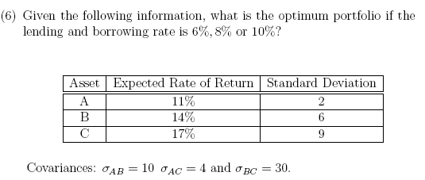
 | Risk-free Rate = 6%
 |  | Asset A | Asset B | Asset C
 | Expected Return | 11 | 14 | 17
 | Standard Deviation | 2 | 6 | 9
 | Risk-free Rate | 6

 |  | Covariance Matrix
 |  | Asset A | Asset B | Asset C
 | Asset A | 4 | 10 | 4
 | Asset B | 10 | 36 | 30
 | Asset C | 4 | 30 | 81

 | We want [Covariance Matrix][Weights] = [Expected Return - Risk-free Rate]
 | i.e. [Weights] = [Covariance Matrix]-1[Expected Return - Risk-free Rate]
 | [Weights] | [Covariance Matrix]-1 |  |  | [Expected Return - Risk-free Rate]
 | 3.510067 | 1.128 | -0.386 | 0.087 | 5
 | -1.043624 | -0.386 | 0.172 | -0.045 | 8
 | 0.348993 | 0.087 | -0.045 | 0.025 | 11
 | 2.815436 | Check if weights add up to 1

 | Normalised Weights
 | 1.246722
 | -0.370679
 | 0.123957
 | 1.000000

 | Expected Return | 10.63
 | Variance | 2.164
 | Standard Deviation | 1.471

 | Risk-free Rate = 8%

 |  | Asset A | Asset B | Asset C
 | Expected Return | 11 | 14 | 17
 | Standard Deviation | 2 | 6 | 9
 | Risk-free Rate | 8 | This is the only value that changes!

 |  | Covariance Matrix
 |  | Asset A | Asset B | Asset C
 | Asset A | 4 | 10 | 4
 | Asset B | 10 | 36 | 30
 | Asset C | 4 | 30 | 81

 | We want [Covariance Matrix][Weights] = [Expected Return - Risk-free Rate]
 | i.e. [Weights] = [Covariance Matrix]-1[Expected Return - Risk-free Rate]
 | [Weights] | [Covariance Matrix]-1 |  |  | [Expected Return - Risk-free Rate]
 | 1.852349 | 1.1275167785 | -0.38590604027 | 0.087248322148 | 3
 | -0.526846 | -0.38590604027 | 0.17225950783 | -0.044742729306 | 6
 | 0.214765 | 0.087248322148 | -0.044742729306 | 0.024608501119 | 9
 | 1.540268 | Check if weights add up to 1

 | Normalised Weights
 | 1.202614
 | -0.342048
 | 0.139434
 | 1.000000

 | Expected Return | 10.81
 | Variance | 1.825
 | Standard Deviation | 1.351

 | Risk-free Rate = 10%

 |  | Asset A | Asset B | Asset C
 | Expected Return | 11 | 14 | 17
 | Standard Deviation | 2 | 6 | 9
 | Risk-free Rate | 10 | This is the only value that changes!

 |  | Covariance Matrix
 |  | Asset A | Asset B | Asset C
 | Asset A | 4 | 10 | 4
 | Asset B | 10 | 36 | 30
 | Asset C | 4 | 30 | 81

 | We want [Covariance Matrix][Weights] = [Expected Return - Risk-free Rate]
 | i.e. [Weights] = [Covariance Matrix]-1[Expected Return - Risk-free Rate]
 | [Weights] | [Covariance Matrix]-1 |  |  | [Expected Return - Risk-free Rate]
 | 0.194631 | 1.1275167785 | -0.38590604027 | 0.087248322148 | 1
 | -0.010067 | -0.38590604027 | 0.17225950783 | -0.044742729306 | 4
 | 0.080537 | 0.087248322148 | -0.044742729306 | 0.024608501119 | 7
 | 0.265101 | Check if weights add up to 1

 | Normalised Weights
 | 0.734177
 | -0.037975
 | 0.303797
 | 1.000000

 | Expected Return | 12.71
 | Variance | 10.22
 | Standard Deviation | 3.197

Tutorial 5 - Question 7

 |  | Asset A | Asset B | Asset C | Sum
 | Market Proportion | 0.333333 | 0.333333 | 0.333333 | 1.000000
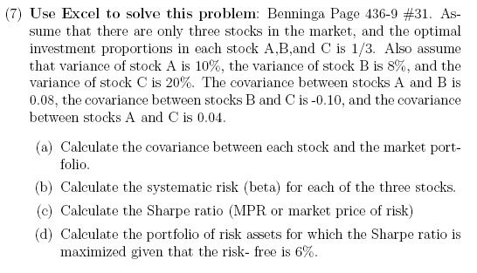
 |  | Covariance Matrix
 |  | Asset A | Asset B | Asset C
 | Asset A | 0.10 | 0.08 | 0.04
 | Asset B | 0.08 | 0.08 | -0.10
 | Asset C | 0.04 | -0.10 | 0.20

(a) |  | Asset A | Asset B | Asset C
 | Covariance with M | 0.073333 | 0.020000 | 0.046667
 |  | σAM | σBM | σCM

(b) | Variance of M | 0.0467

 |  | Asset A | Asset B | Asset C
 | Beta | 1.571429 | 0.428571 | 1.000000
 |  | βA | βB | βC

(c) | Assume the following expected rates of return, since none were given in the question
 |  | Asset A | Asset B | Asset C
 | Expected Return | 0.09 | 0.07 | 0.17
 | Risk-free Rate | 0.06

 |  | Covariance Matrix
 |  | 0.10 | 0.08 | 0.04
 |  | 0.08 | 0.08 | -0.10
 |  | 0.04 | -0.10 | 0.20

 |  | Market Portfolio
 |  | Asset A | Asset B | Asset C | Sum
 | Weights | 0.333333 | 0.333333 | 0.333333 | 1.000000

 | Expected Return | 0.110000
 | Variance | 0.046667
 | Standard Deviation | 0.216025
 | Sharpe Ratio | 0.231455

(d) |  | Max Sharpe Ratio Portfolio
 |  | Asset A | Asset B | Asset C | Sum
 | Weights | 0.000000 | 0.570175 | 0.429825 | 1.000000
 |  |  | ^ Slightly different setup here! ωC = 1 - ωA - ωB and only ωA & ωB used in solver
 | Expected Return | 0.112982
 | Variance | 0.013943
 | Standard Deviation | 0.118079
 | Sharpe Ratio | 0.448702 | Use solver (see screenshot to the right)

Models of Asset Returns
Models of Asset Returns

$${\overline{r}}_{i}=λ_{0}+b_{i1}λ_{1}+b_{i2}λ_{2}$$
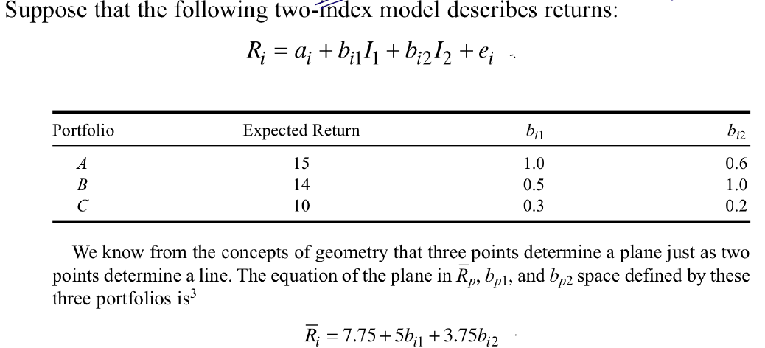
 |  | Example 1 Verify
 |  |  |  |  |  |  | The system we want to solve: |  |  |  |  |  | In matrix form:
 |  | Portfolio | Expected Return | bi1 | bi2 |  |  |  |  |  |  |  | [Matrix of coefficients] |  |  | [Lambdas] | = | [Expected Returns]
 |  | A | 15 | 1.0 | 0.6 |  | 15 | 1 | 1.0 | 0.6 |  |  | 1 | 1 | 0.6 | λ0 |  | 15
 |  | B | 14 | 0.5 | 1.0 |  | 14 | 1 | 0.5 | 1.0 |  |  | 1 | 0.5 | 1 | λ1 |  | 14
 |  | C | 10 | 0.3 | 0.2 |  | 10 | 1 | 0.3 | 0.2 |  |  | 1 | 0.3 | 0.2 | λ2 |  | 10

 |  |  |  |  |  |  |  |  |  |  | Solving:
 |  |  |  |  |  |  |  |  |  |  | [Lambdas] | = | [Matrix of coefficients]-1 |  |  | [Expected Returns]
 |  |  |  |  |  |  |  |  |  |  | 7.75 |  | -0.4167 | -0.0417 | 1.4583 | 15
 |  |  |  |  |  |  |  |  |  |  | 5 |  | 1.6667 | -0.8333 | -0.8333 | 14
 |  |  |  |  |  |  |  |  |  |  | 3.75 |  | -0.4167 | 1.4583 | -1.0417 | 10

 |  |  |  |  |  |  | Equation of plane:
$${\overline{r}}_{i}=7,75+5b_{i1}+3,75b_{i2}$$

Finding ${\overline{r}}_{i}$ for given values of $b_{i1}$ and $b_{i2}$:
$${\overline{r}}_{i} 1 b_{i1} b_{i2}$$
 |  |  |  |  |  |  | 13 | 1 | 0.6 | 0.6

 |  |  |  |  |  | Check if our plane gives the correct values for portfolios A, B & C:
 |  |  |  |  |  |  | 15 | 1 | 1 | 0.6
 |  |  |  |  |  |  | 14 | 1 | 0.5 | 1
 |  |  |  |  |  |  | 10 | 1 | 0.3 | 0.2

 | Ex # 3 Ch 8 in D. Luenberger
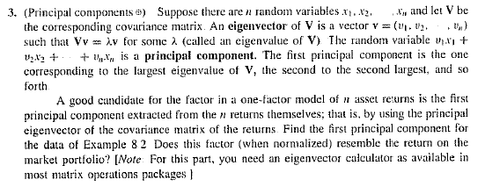
 | Year | Stock 1 | Stock 2 | Stock 3 | Stock 4 | Market | Riskless
 | 1 | 11.91 | 29.59 | 23.27 | 27.24 | 23.00 | 6.20
 | 2 | 18.37 | 15.25 | 19.47 | 17.05 | 17.54 | 6.70
 | 3 | 3.64 | 3.53 | -6.58 | 10.20 | 2.70 | 6.40
 | 4 | 24.37 | 17.67 | 15.08 | 20.26 | 19.34 | 5.70
 | 5 | 30.42 | 12.74 | 16.24 | 19.84 | 19.81 | 5.90
 | 6 | -1.45 | -2.56 | -15.05 | 1.51 | -4.39 | 5.20
 | 7 | 20.11 | 25.46 | 17.80 | 12.24 | 18.90 | 4.90
 | 8 | 9.28 | 6.92 | 18.82 | 16.12 | 12.78 | 5.50
 | 9 | 17.63 | 9.73 | 3.05 | 22.93 | 13.34 | 6.10
 | 10 | 15.71 | 25.09 | 16.94 | 3.49 | 15.31 | 5.80
 | aver | 15.00 | 14.34 | 10.90 | 15.09 | 13.83 | 5.84
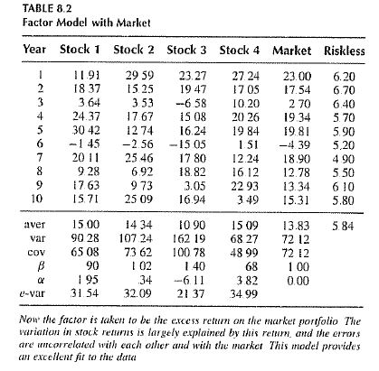
 | var | 90.26 | 107.23 | 162.20 | 68.25 | 72.12
 | cov | 65.09 | 73.62 | 100.78 | 48.99 | 72.12
 | β | 0.90 | 1.02 | 1.40 | 0.68 | 1.00
 | α | 1.94 | 0.34 | -6.11 | 3.82 | 0.00
 | e-var | 31.51 | 32.07 | 21.37 | 34.98

 | Finding the eigenvalues (sort of)

 |  | Covariance Matrix (S)
 |  | 90.26 | 50.89 | 79.02 | 40.18
 |  | 50.89 | 107.23 | 105.38 | 30.99
 |  | 79.02 | 105.38 | 162.20 | 56.54
 |  | 40.18 | 30.99 | 56.54 | 68.25

 |  | Identity Matrix (I)
 |  | 1 | 0 | 0 | 0
 |  | 0 | 1 | 0 | 0
 |  | 0 | 0 | 1 | 0
 |  | 0 | 0 | 0 | 1

 |  | λ | 0 | dummy value, just to start

 |  | S - λI |  |  |  | remember that an eigenvalue (λ) is a solution to the equation: det(S - λI) = 0
 |  | 90.26 | 50.89 | 79.02 | 40.18
 |  | 50.89 | 107.23 | 105.38 | 30.99
 |  | 79.02 | 105.38 | 162.20 | 56.54
 |  | 40.18 | 30.99 | 56.54 | 68.25

 |  | |S - λI| | 14529980.758 | we want this = 0

 |  | λ | |S - λI| | now use a data table to see where the determinant is zero (look for sign changes). We want the first principle component, which corresponds to the largest eigenvalue
 |  | 0 | 14529980.758 | I've used conditional formatting here to make it easier to spot the sign changes
 |  | 5 | 8701501.1449
 |  | 10 | 4588443.297
 |  | 15 | 1892344.8103
 |  | 20 | 329743.28058
 |  | 25 | -367823.69622 | sign change here, so we know one eigenvalue is between 20 & 25
 |  | 30 | -453818.5243
 |  | 35 | -166703.60784
 |  | 40 | 270058.649 | sign change here, so we know another eigenvalue is between 35 & 40
 |  | 45 | 648005.84206
 |  | 50 | 773675.56716
 |  | 55 | 468605.42014
 |  | 60 | -430667.00316 | sign change here, so we know yet another eigenvalue is between 55 & 60
 |  | 65 | -2072604.1069
 |  | 70 | -4590668.2953
 |  | 75 | -8103321.9725
 |  | 80 | -12714027.543
 |  | 85 | -18511247.41
 |  | 90 | -25568443.978
 |  | 95 | -33944079.652
 |  | 100 | -43681616.836
 |  | 105 | -54809517.933
 |  | 110 | -67341245.349
 |  | 115 | -81275261.486
 |  | 120 | -96595028.75
 |  | 125 | -113269009.54
 |  | 130 | -131250666.27
 |  | 135 | -150478461.34
 |  | 140 | -170875857.15
 |  | 145 | -192351316.11
 |  | 150 | -214798300.62
 |  | 155 | -238095273.08
 |  | 160 | -262105695.91
 |  | 165 | -286678031.49
 |  | 170 | -311645742.25
 |  | 175 | -336827290.58
 |  | 180 | -362026138.88
 |  | 185 | -387030749.57
 |  | 190 | -411614585.04
 |  | 195 | -435536107.69
 |  | 200 | -458538779.94
 |  | 205 | -480351064.19
 |  | 210 | -500686422.84
 |  | 215 | -519243318.3
 |  | 220 | -535705212.96
 |  | 225 | -549740569.24
 |  | 230 | -561002849.54
 |  | 235 | -569130516.25
 |  | 240 | -573747031.8
 |  | 245 | -574460858.57
 |  | 250 | -570865458.98
 |  | 255 | -562539295.43
 |  | 260 | -549045830.32
 |  | 265 | -529933526.06
 |  | 270 | -504735845.05
 |  | 275 | -472971249.7
 |  | 280 | -434143202.4
 |  | 285 | -387740165.57
 |  | 290 | -333235601.61
 |  | 295 | -270087972.92
 |  | 300 | -197740741.9
 |  | 305 | -115622370.97
 |  | 310 | -23146322.517
 |  | 315 | 80288941.044 | last sign change here, so we know our final (and largest) eigenvalue is between 310 & 315. This is the one we want
 |  | 320 | 195299957.31 | remember that the number of eigenvalues of a square matrix is the same as the number of rows (or columns)
 |  | 325 | 322518263.88
 |  | 330 | 462590398.35
 |  | 335 | 616177898.32
 |  | 340 | 783957301.37
 |  | 345 | 966620145.11
 |  | 350 | 1164872967.1

 | Finding the largest eigenvalue
 |  | now we can use solver to find the exact value of the largest eigenvalue
 |  | λ | 311.16736846 | start off by setting lambda equal to a value close to the value we want. We know the eigenvalue is between 310 & 315, so let's set this to 315

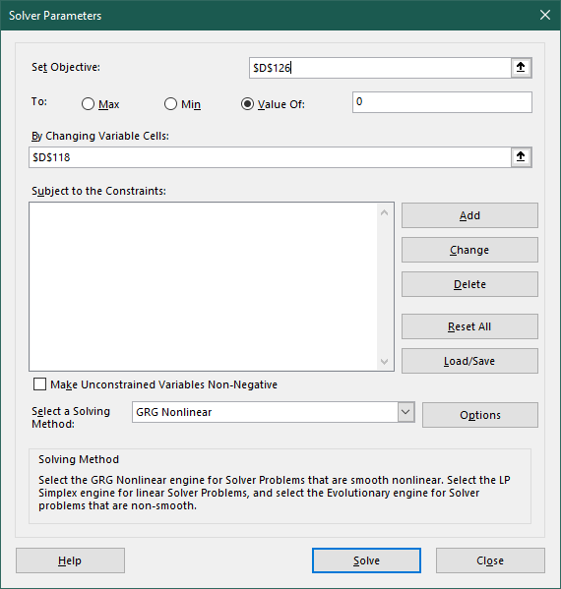
 |  | S - λI
 |  | -220.90 | 50.89 | 79.02 | 40.18
 |  | 50.89 | -203.94 | 105.38 | 30.99
 |  | 79.02 | 105.38 | -148.96 | 56.54
 |  | 40.18 | 30.99 | 56.54 | -242.91

 |  | |S - λI| | 1.2848150452E-06 | now use solver to get this determinant to equal 0 (see screenshot to the right)
 |  | note: if you are not happy with |S - λI| = -37,0575, then you can run solver again
 |  | (this does not change the final answer for lambda by much though:
 |  | 311,167366618141 vs 311,167368463099)

 | Finding the corresponding eigenvector
 |  | remember that an eigenvector (v) satisfies Sv = λv, which we can rewrite as (S - λI)v = 0
 |  | since |S - λI| = 0, S - λI does not have an inverse and we cannot use the method from the example
 |  | instead, we can use Excel to help us perform Gaussian elimination to solve the equation
 |  | Our matrix:
 |  | -220.90 | 50.89 | 79.02 | 40.18
 |  | 50.89 | -203.94 | 105.38 | 30.99
 |  | 79.02 | 105.38 | -148.96 | 56.54
 |  | 40.18 | 30.99 | 56.54 | -242.91 | (note that since the RHS of the equation is a zero vector, it will stay a zero vector no matter which elementary row operations we use, so we can leave it out of our workings)

 |  | Performing Gauss-Jordan elimination:
 |  | -220.90 | 50.89 | 79.02 | 40.18
 |  | 0 | -192.22 | 123.59 | 40.24 | R2 - | -0.23039539878 | *R1
 |  | 0 | 123.59 | -120.69 | 70.91 | R3 - | -0.35773255971 | *R1
 |  | 0 | 40.24 | 70.91 | -235.60 | R4 - | -0.18188956146 | *R1

 |  | -220.90 | 50.89 | 79.02 | 40.18
 |  | 0 | -192.22 | 123.59 | 40.24
 |  | 0 | 0 | -41.23 | 96.78 | R3 - | -0.64295319061 | *R2
 |  | 0 | 0 | 96.78 | -227.18 | R4 - | -0.20936458223 | *R2

 |  | -220.90 | 50.89 | 79.02 | 40.18
 |  | 0 | -192.22 | 123.59 | 40.24
 |  | 0 | 0 | -41.23 | 96.78
 |  | 0 | 0 | 0 | -7.1054273576E-13 | R4 - | -2.3472538551 | *R3
 |  |  |  |  | note: this number is essentially zero, so we have a zero row (the only reason it's not 0 is because of the way computers do math)

 |  | 1 | -0.23 | -0.36 | -0.18 |  | -0.0045268796467 | *R1
 |  | 0 | 1 | -0.64 | -0.21 |  | -0.005202487591 | *R2
 |  | 0 | 0 | 1 | -2.35 |  | -0.024252266192 | *R3
 |  | 0 | 0 | 0 | 0.00

 |  | 1 | -0.23 | 0 | -1.02 | R1 - | -0.35773255971 | *R3
 |  | 0 | 1 | 0 | -1.72 | R2 - | -0.64295319061 | *R3
 |  | 0 | 0 | 1 | -2.35
 |  | 0 | 0 | 0 | 0.00

 |  | 1 | 0 | 0 | -1.42 | R1 - | -0.23039539878 | *R2
 |  | 0 | 1 | 0 | -1.72
 |  | 0 | 0 | 1 | -2.35
 |  | 0 | 0 | 0 | 0.00

 |  | This gives a vector of:
 |  | 1.41752
 |  | 1.71854
 |  | 2.34725
 |  | 1 | set this equal to 1 (as a dummy entry), since we have a zero row
 |  | 6.48331 | sum

 |  | Our resultant (normalised) eigenvector:
 |  | 0.21864 | v1
 |  | 0.26507 | v2
 |  | 0.36205 | v3
 |  | 0.15424 | v4
 |  | 1 | just to check :)

 | Checking if first principal component is a good factor

 | Year | Stock 1 | Stock 2 | Stock 3 | Stock 4 | Factor* | *Factor = First Principal Component
 | 1 | 11.91 | 29.59 | 23.27 | 27.24 | 23.07
 | 2 | 18.37 | 15.25 | 19.47 | 17.05 | 17.74
 | 3 | 3.64 | 3.53 | -6.58 | 10.20 | 0.92
 | 4 | 24.37 | 17.67 | 15.08 | 20.26 | 18.60
 | 5 | 30.42 | 12.74 | 16.24 | 19.84 | 18.97
 | 6 | -1.45 | -2.56 | -15.05 | 1.51 | -6.21
 | 7 | 20.11 | 25.46 | 17.80 | 12.24 | 19.48
 | 8 | 9.28 | 6.92 | 18.82 | 16.12 | 13.16
 | 9 | 17.63 | 9.73 | 3.05 | 22.93 | 11.07
 | 10 | 15.71 | 25.09 | 16.94 | 3.49 | 16.76
 | aver | 15.00 | 14.34 | 10.90 | 15.09 | 13.36
 | var | 90.26 | 107.23 | 162.20 | 68.25 | 84.93
 | cov | 68.03 | 82.48 | 112.66 | 48.00 | 84.93
 | b | 0.80 | 0.97 | 1.33 | 0.57 | 1.00
 | a | 4.30 | 1.37 | -6.81 | 7.54 | 0.00
 | e-var | 35.76 | 27.12 | 12.77 | 41.13
 | compare these e-var values to the values in the textbook (where the market return is used as the factor). Which would you say is a better factor?

 | Comparing first principal component to market returns

 | Year | Factor | Market | Diff* | *Difference = Factor - Market
 | 1 | 23.07 | 23.00 | 0.07
 | 2 | 17.74 | 17.54 | 0.20
 | 3 | 0.92 | 2.70 | -1.78
 | 4 | 18.60 | 19.34 | -0.74
 | 5 | 18.97 | 19.81 | -0.84
 | 6 | -6.21 | -4.39 | -1.82
 | 7 | 19.48 | 18.90 | 0.58
 | 8 | 13.16 | 12.78 | 0.38
 | 9 | 11.07 | 13.34 | -2.27
 | 10 | 16.76 | 15.31 | 1.45
 | aver | 13.36 | 13.83 | -0.48 | note that the difference between the factor (first principal component) and the market returns is really not that much
 | var | 84.93 | 72.12 | 1.47 | also note that since we normalised the eigenvector, the first principal component is actually a valid portfolio!
 | cov | 84.93 | 77.79 |  | therefore, if we wish to track/replicate the market portfolio, we could use this first principal component portfolio :)
 | b | 1.00 | 0.92
 | a | 0.00 | 1.60
 | e-var |  | 0.87

Risk Measures
Risk Measures

Question D

 | Utility function | U(x)=x^(1/4)
 | Base salary | $80,000.00

 | Bonus distribution
 | Bonus | 0.00 | 10000.00 | 20000.00 | 30000.00 | 40000.00 | 50000.00 | 60000.00 | sum
 | Probability | 0.14285714286 | 0.14285714286 | 0.14285714286 | 0.14285714286 | 0.14285714286 | 0.14285714286 | 0.14285714286 | 1

 | Total distribution
 | Total | 80000.00 | 90000.00 | 100000.00 | 110000.00 | 120000.00 | 130000.00 | 140000.00 | sum
 | Probability | 0.14285714286 | 0.14285714286 | 0.14285714286 | 0.14285714286 | 0.14285714286 | 0.14285714286 | 0.14285714286 | 1

 | Utility distribution
 | Utility | 16.82 | 17.32 | 17.78 | 18.21 | 18.61 | 18.99 | 19.34 | sum
 | Probability | 0.14285714286 | 0.14285714286 | 0.14285714286 | 0.14285714286 | 0.14285714286 | 0.14285714286 | 0.14285714286 | 1

 | Expected utility | 18.15 | =E[U(X)]

 | Certainty equivalent calculation (inverse function)
 | U(c) | 18.15 | set = E[U(X)]
 | c | $108,610.04 | =U(c)^4 from U(c)=c^(1/4)

 | Certainty equivalent calculation (goal seek)
 | U(c) | 18.15 |  |  | U(c) | 18.15
 | c | $108,622.26 |  |  | c | $108,496.13
 | value for goal seek | 18.153797708 |  |  | value for goal seek | 18.153797708

Question E

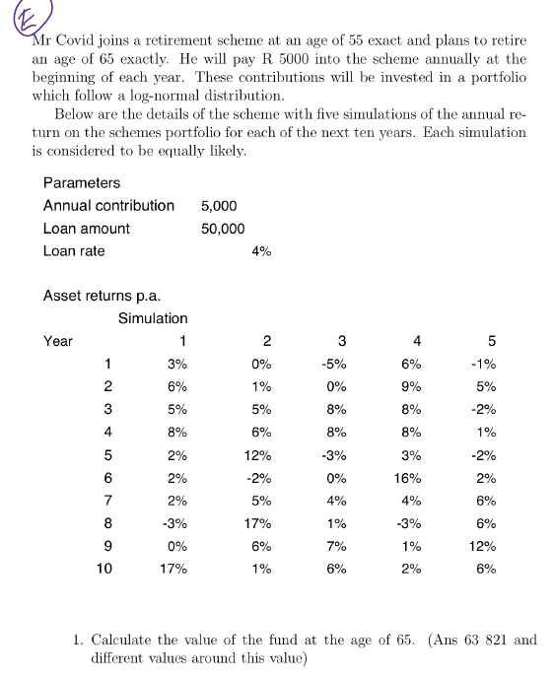
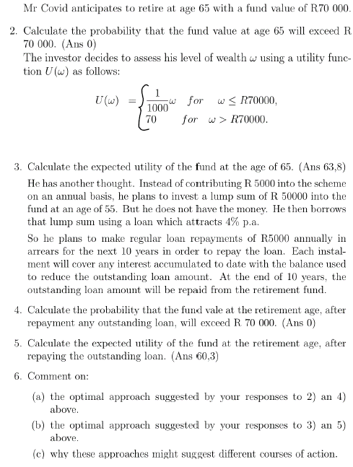
 | Parameters
 | Annual contribution | 5000
 | Loan amount | 50000
 | Loan rate | 0.04

 | Asset returns p.a.
 |  | Simulation
 | Year | 1 | 2 | 3 | 4 | 5
 | 1 | 0.03 | 0 | -0.05 | 0.06 | -0.01
 | 2 | 0.06 | 0.01 | 0 | 0.09 | 0.05
 | 3 | 0.05 | 0.05 | 0.08 | 0.08 | -0.02
 | 4 | 0.08 | 0.06 | 0.08 | 0.08 | 0.01
 | 5 | 0.02 | 0.12 | -0.03 | 0.03 | -0.02
 | 6 | 0.02 | -0.02 | 0 | 0.16 | 0.02
 | 7 | 0.02 | 0.05 | 0.04 | 0.04 | 0.06
 | 8 | -0.03 | 0.17 | 0.01 | -0.03 | 0.06
 | 9 | 0 | 0.06 | 0.07 | 0.01 | 0.12
 | 10 | 0.17 | 0.01 | 0.06 | 0.02 | 0.06

1. | Fund values
 |  | Simulation
 | Year | 1 | 2 | 3 | 4 | 5
 | 0 | 5000 | 5000 | 5000 | 5000 | 5000
 | 1 | 10150 | 10000 | 9750 | 10300 | 9950
 | 2 | 15759 | 15100 | 14750 | 16227 | 15447.5
 | 3 | 21546.95 | 20855 | 20930 | 22525.16 | 20138.55
 | 4 | 28270.706 | 27106.3 | 27604.4 | 29327.1728 | 25339.9355
 | 5 | 33836.12012 | 35359.056 | 31776.268 | 35206.987984 | 29833.13679
 | 6 | 39512.842522 | 39651.87488 | 36776.268 | 45840.106061 | 35429.799526
 | 7 | 45303.099373 | 46634.468624 | 43247.31872 | 52673.710304 | 42555.587497
 | 8 | 48944.006392 | 59562.32829 | 48679.791907 | 56093.498995 | 50108.922747
 | 9 | 53944.006392 | 68136.067987 | 57087.377341 | 61654.433985 | 61121.993477
 | 10 | 68114.487478 | 73817.428667 | 65512.619981 | 67887.522664 | 69789.313085

 | Average | 69024.274375

2. | P(X > 70000) | 0.2

3. | Utility function
 | 1/1000*x | for x <= 70000
 | 70 | for x > 70000

 | Distribution of utility
 | Utility | 68.114487478 | 70 | 65.512619981 | 67.887522664 | 69.789313085
 | Probability | 0.2 | 0.2 | 0.2 | 0.2 | 0.2

 | Expected Utility | 68.260788642

4. | Fund values |  |  |  |  |  |  | Outstanding loan amounts
 |  | Simulation |  |  |  |  |  |  | Simulation
 | Year | 1 | 2 | 3 | 4 | 5 |  | Year | 1 | 2 | 3 | 4 | 5
 | 0 | 50000 | 50000 | 50000 | 50000 | 50000 |  | 0 | 50000 | 50000 | 50000 | 50000 | 50000
 | 1 | 51500 | 50000 | 47500 | 53000 | 49500 |  | 1 | 47000 | 50000 | 50000 | 50000 | 50000
 | 2 | 54590 | 50500 | 47500 | 57770 | 51975 |  | 2 | 43880 | 50000 | 50000 | 50000 | 50000
 | 3 | 57319.5 | 53025 | 51300 | 62391.6 | 50935.5 |  | 3 | 40635.2 | 50000 | 50000 | 50000 | 50000
 | 4 | 61905.06 | 56206.5 | 55404 | 67382.928 | 51444.855 |  | 4 | 37260.608 | 50000 | 50000 | 50000 | 50000
 | 5 | 63143.1612 | 62951.28 | 53741.88 | 69404.41584 | 50415.9579 |  | 5 | 33751.03232 | 50000 | 50000 | 50000 | 50000
 | 6 | 64406.024424 | 61692.2544 | 53741.88 | 80509.122374 | 51424.277058 |  | 6 | 30101.073613 | 50000 | 50000 | 50000 | 50000
 | 7 | 65694.144912 | 64776.86712 | 55891.5552 | 83729.487269 | 54509.733681 |  | 7 | 26305.116557 | 50000 | 50000 | 50000 | 50000
 | 8 | 63723.320565 | 75788.93453 | 56450.470752 | 81217.602651 | 57780.317702 |  | 8 | 22357.32122 | 50000 | 50000 | 50000 | 50000
 | 9 | 63723.320565 | 80336.270602 | 60402.003705 | 82029.778678 | 64713.955827 |  | 9 | 18251.614068 | 50000 | 50000 | 50000 | 50000
 | 10 | 74556.285061 | 81139.633308 | 64026.123927 | 83670.374251 | 68596.793176 |  | 10 | 13981.678631 | 50000 | 50000 | 50000 | 50000

 | Final retirement fund values
 |  | Simulation
 |  | 1 | 2 | 3 | 4 | 5
 | Final amount | 60574.60643 | 31139.633308 | 14026.123927 | 33670.374251 | 18596.793176

 | Average | 31601.506219

 | P(X > 70000) | 0

3. | Utility function
 | 1/1000*x | for x <= 70000
 | 70 | for x > 70000

 | Distribution of utility
 | Utility | 60.57460643 | 31.139633308 | 14.026123927 | 33.670374251 | 18.596793176
 | Probability | 0.2 | 0.2 | 0.2 | 0.2 | 0.2

 | Expected Utility | 31.601506219

Stochastic Interest Rate Models
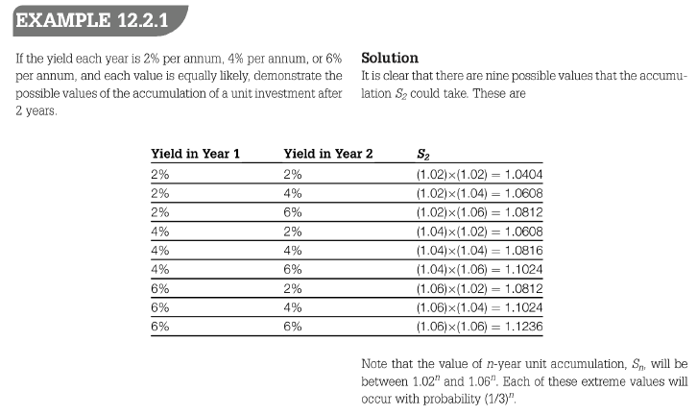
Stochastic Interest Rate Models

Uniform Distribution

 | Uniform distribution |  |  |  | Single premium |  |  |  |  | Annual premium
 | a | 0.02000 |  |  | t | E(St) = µt | var(St) | std dev |  | t | E(At) = µt | E(At2) = mt | var(At) | std dev
 | b | 0.06000 |  |  | 1 | 1.040000 | 0.000133 | 0.011547 |  | 1 | 1.040000 | 1.081733 | 0.000133 | 0.011547
 |  |  |  |  | 2 | 1.081600 | 0.000288 | 0.016984 |  | 2 | 2.121600 | 4.501886 | 0.000699 | 0.026441
 | j | 0.04000 |  |  | 3 | 1.124864 | 0.000468 | 0.021633 |  | 3 | 3.246464 | 10.541584 | 0.002056 | 0.045338
 | s2 | 0.00013 |  |  | 4 | 1.169859 | 0.000675 | 0.025980 |  | 4 | 4.416323 | 19.508533 | 0.004628 | 0.068028
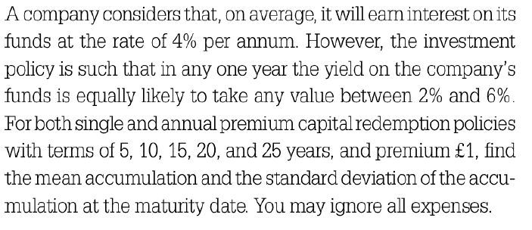
 | (1 + 2j + j2 +s2) | 1.08173 |  |  | 5 | 1.216653 | 0.000913 | 0.030209 |  | 5 | 5.632975 | 31.739330 | 0.008918 | 0.094433
 |  |  |  |  | 6 | 1.265319 | 0.001185 | 0.034417 |  | 6 | 6.898294 | 47.601979 | 0.015513 | 0.124550
 |  |  |  |  | 7 | 1.315932 | 0.001495 | 0.038663 |  | 7 | 8.214226 | 67.498611 | 0.025098 | 0.158424
 |  |  |  |  | 8 | 1.368569 | 0.001848 | 0.042987 |  | 8 | 9.582795 | 91.868436 | 0.038470 | 0.196138
 |  |  |  |  | 9 | 1.423312 | 0.002249 | 0.047420 |  | 9 | 11.006107 | 121.190941 | 0.056547 | 0.237796
 |  |  |  |  | 10 | 1.480244 | 0.002703 | 0.051986 |  | 10 | 12.486351 | 155.989360 | 0.080388 | 0.283528
 |  |  |  |  | 11 | 1.539454 | 0.003216 | 0.056707 |  | 11 | 14.025805 | 196.834428 | 0.111210 | 0.333481
 |  |  |  |  | 12 | 1.601032 | 0.003794 | 0.061599 |  | 12 | 15.626838 | 244.348458 | 0.150402 | 0.387818
 |  |  |  |  | 13 | 1.665074 | 0.004446 | 0.066681 |  | 13 | 17.291911 | 299.209748 | 0.199556 | 0.446716
 |  |  |  |  | 14 | 1.731676 | 0.005179 | 0.071968 |  | 14 | 19.023588 | 362.157365 | 0.260478 | 0.510371
 |  |  |  |  | 15 | 1.800944 | 0.006003 | 0.077476 |  | 15 | 20.824531 | 433.996325 | 0.335227 | 0.578988
 |  |  |  |  | 16 | 1.872981 | 0.006926 | 0.083220 |  | 16 | 22.697512 | 515.603203 | 0.426135 | 0.652790
 |  |  |  |  | 17 | 1.947900 | 0.007959 | 0.089216 |  | 17 | 24.645413 | 607.932217 | 0.535840 | 0.732011
 |  |  |  |  | 18 | 2.025817 | 0.009116 | 0.095477 |  | 18 | 26.671229 | 712.021806 | 0.667328 | 0.816901
 |  |  |  |  | 19 | 2.106849 | 0.010408 | 0.102020 |  | 19 | 28.778079 | 829.001770 | 0.823964 | 0.907725
 |  |  |  |  | 20 | 2.191123 | 0.011851 | 0.108861 |  | 20 | 30.969202 | 960.100995 | 1.009540 | 1.004759
 |  |  |  |  | 21 | 2.278768 | 0.013459 | 0.116015 |  | 21 | 33.247970 | 1106.655819 | 1.228324 | 1.108298
 |  |  |  |  | 22 | 2.369919 | 0.015252 | 0.123499 |  | 22 | 35.617889 | 1270.119096 | 1.485109 | 1.218650
 |  |  |  |  | 23 | 2.464716 | 0.017247 | 0.131329 |  | 23 | 38.082604 | 1452.070011 | 1.785274 | 1.336142
 |  |  |  |  | 24 | 2.563304 | 0.019467 | 0.139524 |  | 24 | 40.645908 | 1654.224711 | 2.134851 | 1.461113
 |  |  |  |  | 25 | 2.665836 | 0.021934 | 0.148102 |  | 25 | 43.311745 | 1878.447812 | 2.540590 | 1.593923

Discrete Distribution

 | Discrete distribution |  |  |  | j | 0.040000 |  | Annual premium of 1 |  |  |  |  |  | Annual premium of 50 000
 | i | 0.02 | 0.04 | 0.06 | s2 | 0.000267 |  | t | E(At) = µt | E(At2) = mt | var(At) | std dev |  | t | E(At) = µt | E(At2) = mt | var(At) | std dev
 | p(i) | 0.33 | 0.33 | 0.33 | (1 + 2j + j2 +s2) | 1.081867 |  | 1 | 1.04000 | 1.081867 | 0.000267 | 0.01633 |  | 1 | £52,000.00 | 2,704,666,666.67 | 666,666.67 | £816.50
 |  |  |  |  | Annual amount | £50,000 |  | 2 | 2.12160 | 4.502585 | 0.001398 | 0.03739 |  | 2 | £106,080.00 | 11,256,462,044.44 | 3,495,644.44 | £1,869.66
 |  |  |  |  |  |  |  | 3 | 3.24646 | 10.543640 | 0.004111 | 0.06412 |  | 3 | £162,323.20 | 26,359,099,337.15 | 10,278,078.91 | £3,205.94
 |  |  |  |  |  |  |  | 4 | 4.41632 | 19.513161 | 0.009256 | 0.09621 |  | 4 | £220,816.13 | 48,782,903,533.55 | 23,141,148.64 | £4,810.52
 |  |  |  |  |  |  |  | 5 | 5.63298 | 31.748250 | 0.017837 | 0.13356 |  | 5 | £281,648.77 | 79,370,624,737.39 | 44,593,337.39 | £6,677.82
 |  |  |  |  |  |  |  | 6 | 6.89829 | 47.617497 | 0.031030 | 0.17615 |  | 6 | £344,914.72 | 119,043,741,817.17 | 77,574,954.27 | £8,807.66
 |  |  |  |  |  |  |  | 7 | 8.21423 | 67.523719 | 0.050206 | 0.22407 |  | 7 | £410,711.31 | 168,809,297,092.59 | 125,514,460.99 | £11,203.32
 |  |  |  |  |  |  |  | 8 | 9.58280 | 91.906922 | 0.076956 | 0.27741 |  | 8 | £479,139.77 | 229,767,306,131.05 | 192,391,221.92 | £13,870.52
 |  |  |  |  |  |  |  | 9 | 11.00611 | 121.247516 | 0.113122 | 0.33634 |  | 9 | £550,305.36 | 303,118,790,359.44 | 282,805,354.34 | £16,816.82
 |  |  |  |  |  |  |  | 10 | 12.48635 | 156.069794 | 0.160822 | 0.40103 |  | 10 | £624,317.57 | 390,174,484,127.32 | 402,055,424.85 | £20,051.32

